Per Category
 | canceled | failed | live | successful
film & video | 31 | 130 |  | 261
food | 15 | 115 | 4 | 34
games |  | 96 |  | 52
journalism | 23
music | 19 | 110 | 17 | 490
photography |  | 72 |  | 62
publishing | 22 | 87 |  | 69
technology | 121 | 138 |  | 158
theater | 26 | 349 | 12 | 525
country | US

Count of state | Column Labels
Row Labels | canceled | failed | live | successful | Grand Total
film & video | 31 | 130 |  | 261 | 422
food | 15 | 115 | 4 | 34 | 168
games |  | 96 |  | 52 | 148
journalism | 23 |  |  |  | 23
music | 19 | 110 | 17 | 490 | 636
photography |  | 72 |  | 62 | 134
publishing | 22 | 87 |  | 69 | 178
technology | 121 | 138 |  | 158 | 417
theater | 26 | 349 | 12 | 525 | 912
Grand Total | 257 | 1097 | 33 | 1651 | 3038

Per Sub-Category
 | canceled | failed | live | successful
classical music |  |  |  | 33
electronic music |  |  |  | 30
faith |  | 37 | 17
indie rock |  | 20 |  | 138
jazz |  | 53
metal |  |  |  | 14
pop |  |  |  | 35
rock |  |  |  | 240
world music | 19
country | US
Category | music

Count of state | Column Labels
Row Labels | canceled | failed | live | successful | Grand Total
classical music |  |  |  | 33 | 33
electronic music |  |  |  | 30 | 30
faith |  | 37 | 17 |  | 54
indie rock |  | 20 |  | 138 | 158
jazz |  | 53 |  |  | 53
metal |  |  |  | 14 | 14
pop |  |  |  | 35 | 35
rock |  |  |  | 240 | 240
world music | 19 |  |  |  | 19
Grand Total | 19 | 110 | 17 | 490 | 636

Date Analysis
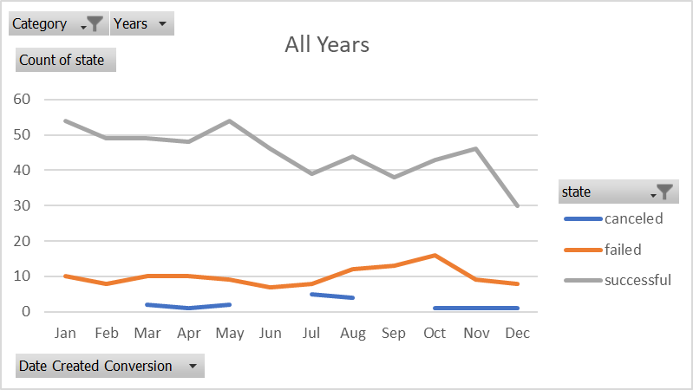
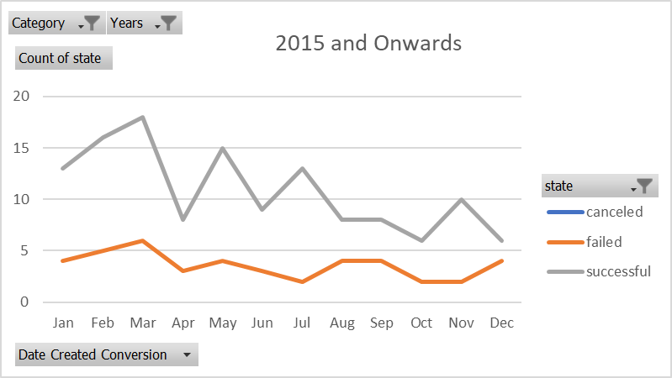
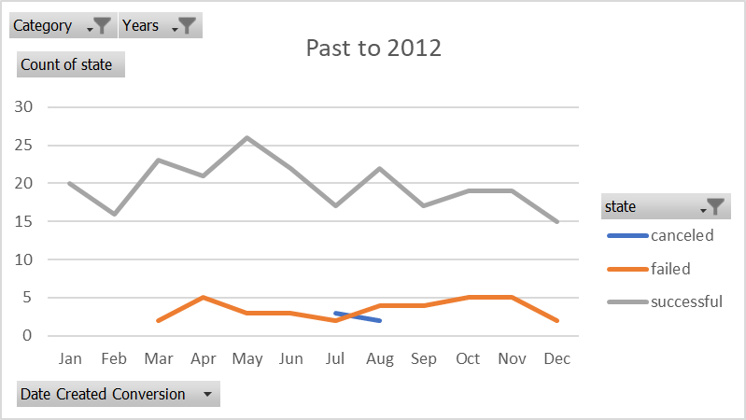
Category | music
Years | (All)
Past to 2012
 | canceled | failed | successful
Jan | 3 | 10 | 54
Feb |  | 8 | 49
Mar | 2 | 10 | 49
Apr | 1 | 10 | 48
May | 2 | 9 | 54
Jun |  | 7 | 46
Jul | 5 | 8 | 39
Aug | 4 | 12 | 44
Sep |  | 13 | 38
Oct | 1 | 16 | 43
Nov | 1 | 9 | 46
Dec | 1 | 8 | 30
Count of state | Column Labels
Row Labels | canceled | failed | successful | Grand Total
Jan | 3 | 10 | 54 | 67
Feb |  | 8 | 49 | 57
Mar | 2 | 10 | 49 | 61
Apr | 1 | 10 | 48 | 59
May | 2 | 9 | 54 | 65
Jun |  | 7 | 46 | 53
Jul | 5 | 8 | 39 | 52
Aug | 4 | 12 | 44 | 60
Sep |  | 13 | 38 | 51
Oct | 1 | 16 | 43 | 60
Nov | 1 | 9 | 46 | 56
Dec | 1 | 8 | 30 | 39
Grand Total | 20 | 120 | 540 | 680

Per Goal
Goal | Number Successful | Number Failed | Number Canceled | Total Projects | Percentage Successful | Percentage Failed | Percentage Canceled
Less than 1000 | 322 | 113 | 18 | 453 | 71% | 25% | 4%
1000 to 4999 | 931 | 420 | 60 | 1411 | 66% | 30% | 4%
5000 to 9999 | 380 | 282 | 51 | 713 | 53% | 40% | 7%
10000 to 14999 | 168 | 144 | 40 | 352 | 48% | 41% | 11%
15000 to 19999 | 94 | 90 | 17 | 201 | 47% | 45% | 8%
20000 to 24999 | 62 | 72 | 14 | 148 | 42% | 49% | 9%
25000 to 29999 | 55 | 64 | 18 | 137 | 40% | 47% | 13%
30000 to 34999 | 32 | 37 | 13 | 82 | 39% | 45% | 16%
35000 to 39999 | 26 | 22 | 7 | 55 | 47% | 40% | 13%
40000 to 44999 | 21 | 16 | 6 | 43 | 49% | 37% | 14%
45000 to 49999 | 6 | 11 | 4 | 21 | 29% | 52% | 19%
Greater than or equal to 50000 | 86 | 258 | 100 | 444 | 19% | 58% | 23%

Outcome Based on Goal

